Sheet1

PIONEER SERVICES
 |  |  |  |  |  |  | 0
 |  |  |  |  |  |  | 0
 |  |  |  |  |  |  | 0
 |  |  |  |  |  |  | 0
 |  |  |  |  |  |  | 0
 |  |  |  |  |  |  | 0

M/S KATYS |  |  |  |  |  | 2-May-25

PO # 138
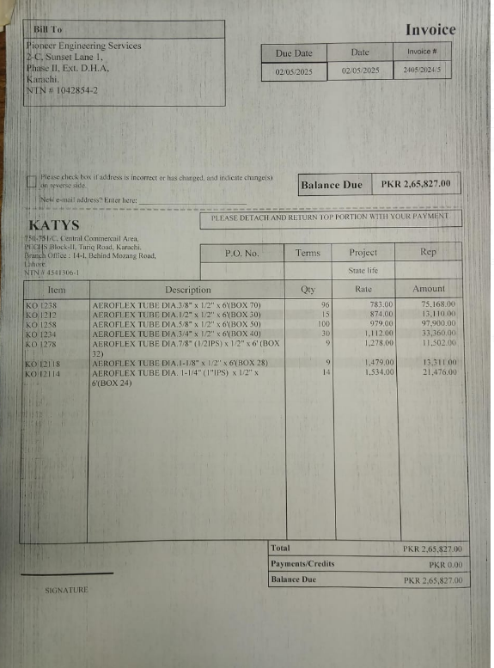
Att: Mr. Danish

PURCHASE ORDER

Supply of insulation for copper pipe for the project State Life Building Karachi
S No. | D e s c r i p t i o n | Size | Qty | Unit | Rate | Amount
 | Brand: Aeroflex

1 | Supply of Aeroflex insulation (thickness 12mm) | 3/8" | 96 | Len | 783 | 75,168 | 1824 | 304 | 44 | 260 | 96
2 | Supply of Aeroflex insulation (thickness 12mm) | 1/2" | 15 | Len | 874 | 13,110 | 285 | 47.5 | 7 | 40.5 | 15
3 | Supply of Aeroflex insulation (thickness 12mm) | 5/8" | 100 | Len | 979 | 97,900 | 1900 | 316.66666667 | 46 | 270.66666667 | 100
4 | Supply of Aeroflex insulation (thickness 12mm) | 3/4" | 30 | Len | 1,112 | 33,360 | 570 | 95 | 14 | 81 | 30
5 | Supply of Aeroflex insulation (thickness 12mm) | 7/8" | 9 | Len | 1,278 | 11,502 | 171 | 28.5 | 4 | 24.5 | 9
6 | Supply of Aeroflex insulation (thickness 12mm) | 1-1/8 | 9 | Len | 1,479 | 13,311 | 171 | 28.5 | 4 | 24.5 | 9
7 | Supply of Aeroflex insulation (thickness 12mm) | 1-1/4 | 14 | len | 1,534 | 21,476 | 266 | 44.333333333

 |  |  | TOTAL: |  |  | 265,827
cartage |  |  |  |  |  | 3,500
Total amount |  |  |  |  |  | 269,327

Note: This PO is subject to the consultant's approval.

for Pioneer Engineering

